Exhibit A
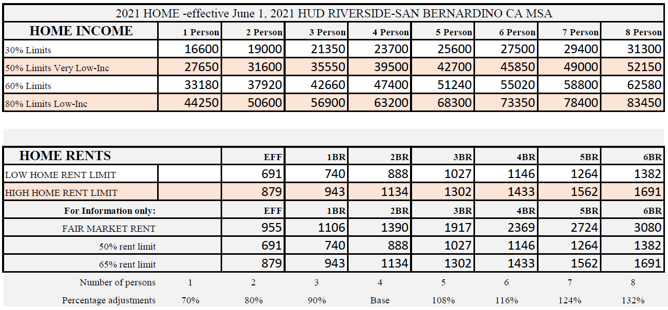
2021 ADJUSTED HOME INCOME LIMITS AND HOME PROGRAM RENTS

